Cover Page
Cover Page - Pricing Calculator

The information contained in this calculator is provided by Bridgit Financial Services Pty Ltd ABN 16 644 588 161 and Australian Credit Licence 532542 for illustrative purposes only and should not be regarded as a prediction.

Calculator Summary
File Name and History

 | Bridgit Financial Services Pty Ltd
 | Name of File: | Broker Pricing Calculator 2025
 | Date Updated: | 15-Sep-2025
 | Creator: | Operations
 | Version: | 4.5

Activating the Calculator

 | Microsoft recently announced changes to several Excel security features which may restrict the functionality of the Setup Fee and Max Loan Calculator. Please follow the instructions below to enable contents and gain unrestricted access to the file.

 | Step 1
 | Locate your macro-enabled file in downloads.

 | Step 2
 | Save the file to a Document or Desktop folder.

 | Step 3
 | Right-click the file and then select properties. Navigate to the General tab and then check the Security checkbox (with description: "This file came from another computer and might be blocked to help protect this computer.")

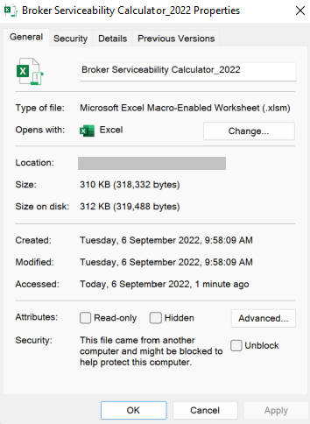

 | Step 4
 | Open the calculator and enable contents.

